Value Iteration
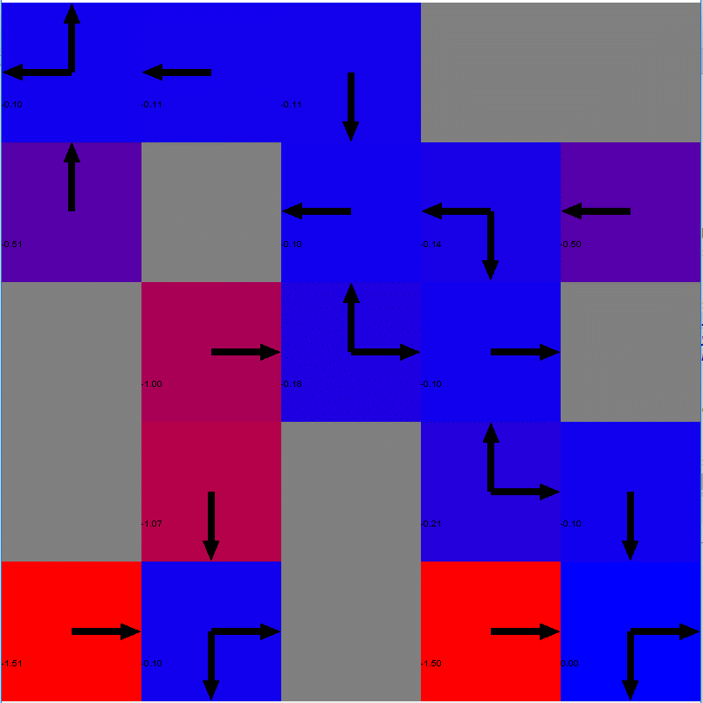
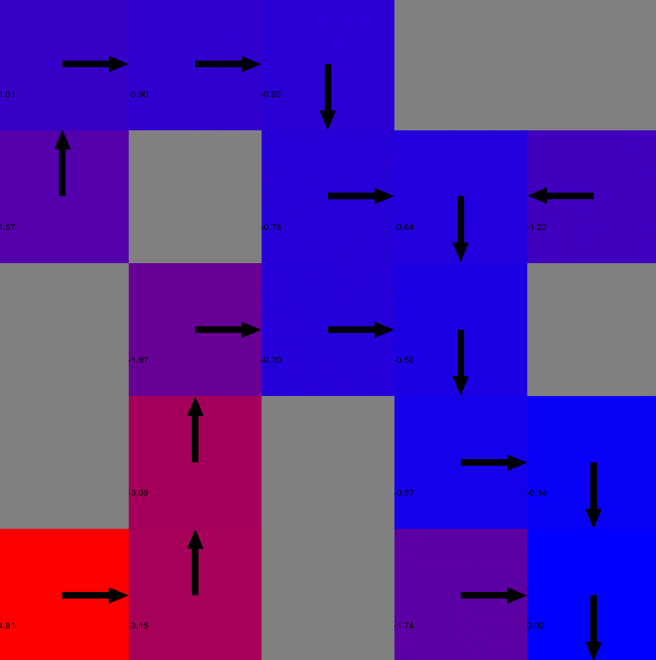
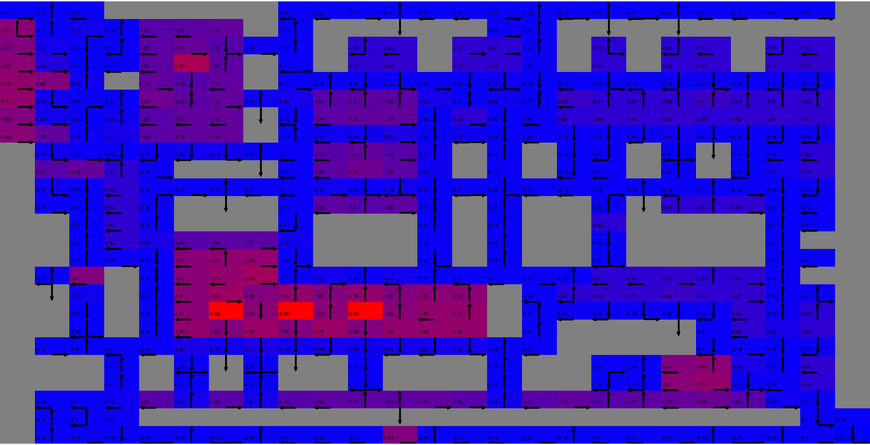
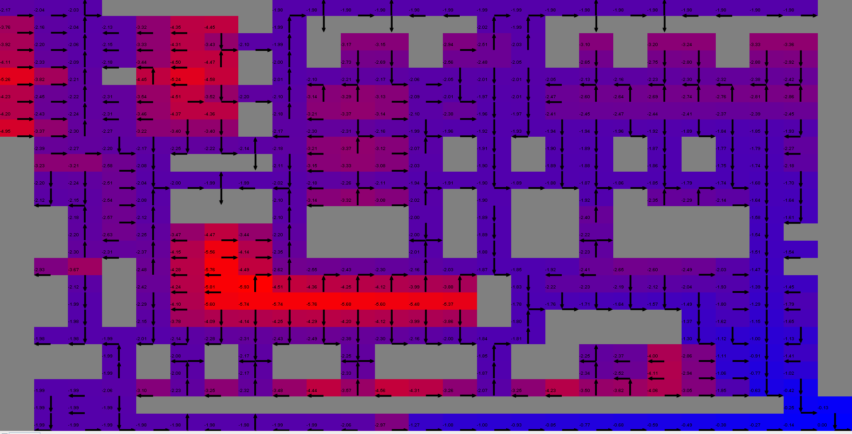
Small MDP Value Iteration Problem |  |  |  | Large MDP Value Iteration Problem
Iteration = 1 |  | Iteration = 100 |  | Iteration = 1 |  | Iteration = 100 |  |  | Small
 |  |  |  |  |  |  |  |  | Average Reward: -1.4979999999999998
 |  |  |  |  |  |  |  |  | Average Number of Steps: 13
 |  |  |  |  |  |  |  |  | Minimum Number of Steps: 9
 |  |  |  |  |  |  |  |  | Average Time (in milliseconds): 107

 |  |  |  |  |  |  |  |  | Large
 |  |  |  |  |  |  |  |  | Average Reward: -64.54100000000054
 |  |  |  |  |  |  |  |  | Average Number of Steps: 625
 |  |  |  |  |  |  |  |  | Minimum Number of Steps: 625
 |  |  |  |  |  |  |  |  | Average Time (in milliseconds): 3460

 | Figure 1.1 |  |  |  |  | Figure 1.2
Small Value Iteration Time (in milliseconds)
 | Value Iteration Time (in milliseconds)
1 | 228
2 | 82
3 | 68
4 | 84
5 | 81
6 | 111
7 | 104
8 | 107
9 | 101
10 | 78
11 | 118
12 | 98
13 | 101
14 | 110
15 | 112
16 | 138
17 | 125
18 | 134
19 | 139
20 | 151
21 | 180
22 | 193
23 | 208
24 | 243
25 | 239
26 | 227
27 | 201
28 | 120
29 | 173
30 | 170
31 | 191
32 | 105
33 | 125
34 | 144
35 | 147
36 | 107
37 | 152
38 | 82
39 | 65
40 | 66
41 | 91
42 | 78
43 | 69
44 | 68
45 | 75
46 | 78
47 | 58
48 | 54
49 | 44
50 | 42
...
Small Value Iteration Steps
 | Steps
 | 25
 | 25
 | 25
 | 25
 | 25
 | 25
 | 25
 | 25
 | 11
 | 11
 | 16
 | 10
 | 15
 | 10
 | 14
 | 11
 | 9
 | 10
 | 15
 | 10
 | 13
 | 20
 | 13
 | 19
 | 11
 | 11
 | 11
 | 12
 | 14
 | 9
 | 11
 | 11
 | 9
 | 9
 | 10
 | 10
 | 10
 | 9
 | 11
 | 15
 | 12
 | 9
 | 12
 | 9
 | 9
 | 13
 | 9
 | 11
 | 13
 | 18
...
Small Value Iteration Reward
 | Value Iteration Reward
1 | -2.4
2 | -2.4
3 | -2.4
4 | -2.4
5 | -2.4
6 | -2.4
7 | -2.4
8 | -2.4
9 | -1
10 | -1
11 | -2.4
12 | -0.9
13 | -1.8
14 | -0.9
15 | -1.3
16 | -1
17 | -0.8
18 | -0.9
19 | -1.4
20 | -0.9
21 | -1.6
22 | -5.5
23 | -1.6
24 | -9.2
25 | -1
26 | -1
27 | -1.4
28 | -2.5
29 | -1.3
30 | -0.8
31 | -1
32 | -1
33 | -0.8
34 | -0.8
35 | -0.9
36 | -0.9
37 | -0.9
38 | -0.8
39 | -2.4
40 | -1.8
41 | -1.1
42 | -0.8
43 | -1.1
44 | -0.8
45 | -0.8
46 | -4
47 | -0.8
48 | -1
49 | -1.6
50 | -2.1
...

 | Figure 1.3 |  |  |  | Figure 1.4 |  |  | Figure 1.5

Large Value Iteration Reward
 | Reward
1 | -92.2
2 | -83.4
3 | -68
4 | -65.2
5 | -63.8
6 | -62.4
7 | -62.4
8 | -68.9
9 | -62.4
10 | -63.8
11 | -62.4
12 | -63.8
13 | -63.8
14 | -63.8
15 | -63.3
16 | -65.2
17 | -63.8
18 | -63.8
19 | -63.3
20 | -63.8
21 | -62.4
22 | -62.4
23 | -62.4
24 | -63.8
25 | -62.4
26 | -62.4
27 | -62.4
28 | -65.2
29 | -65.2
30 | -63.8
31 | -63.8
32 | -62.4
33 | -64.7
34 | -67.5
35 | -63.3
36 | -63.8
37 | -62.4
38 | -64.7
39 | -65.2
40 | -62.4
41 | -65.6
42 | -63.8
43 | -62.4
44 | -62.4
45 | -62.4
46 | -65.2
47 | -62.4
48 | -62.4
49 | -63.3
50 | -62.4
...
Large Value Iteration Time (in milliseconds)
 | Time (in milliseconds)
1 | 1204
2 | 836
3 | 980
4 | 1100
5 | 1275
6 | 1182
7 | 1187
8 | 1061
9 | 924
10 | 712
11 | 955
12 | 813
13 | 877
14 | 926
15 | 966
16 | 839
17 | 996
18 | 1094
19 | 1233
20 | 1437
21 | 1279
22 | 1502
23 | 1683
24 | 1662
25 | 1564
26 | 1629
27 | 1667
28 | 1725
29 | 1806
30 | 1852
31 | 1931
32 | 1987
33 | 2057
34 | 2506
35 | 2577
36 | 2204
37 | 2317
38 | 2321
39 | 2394
40 | 2523
41 | 2536
42 | 2490
43 | 2603
44 | 2654
45 | 2659
46 | 2897
47 | 2869
48 | 2887
49 | 3185
50 | 3267
...

 |  |  | Figure 1.6 |  |  |  | Figure 1.7

Policy Iteration
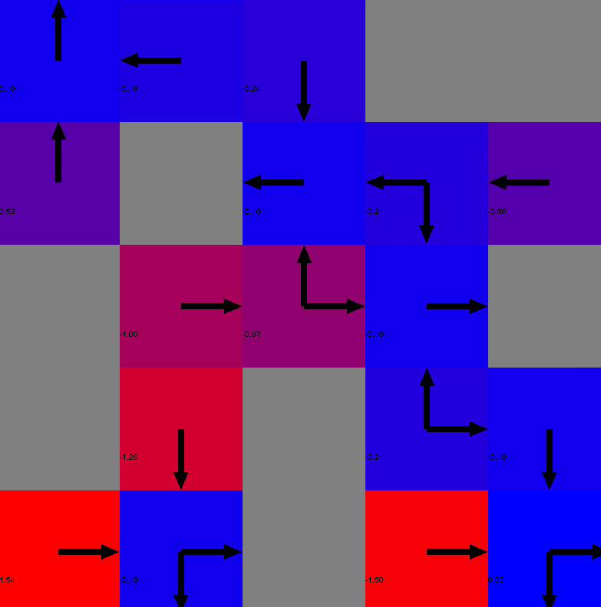
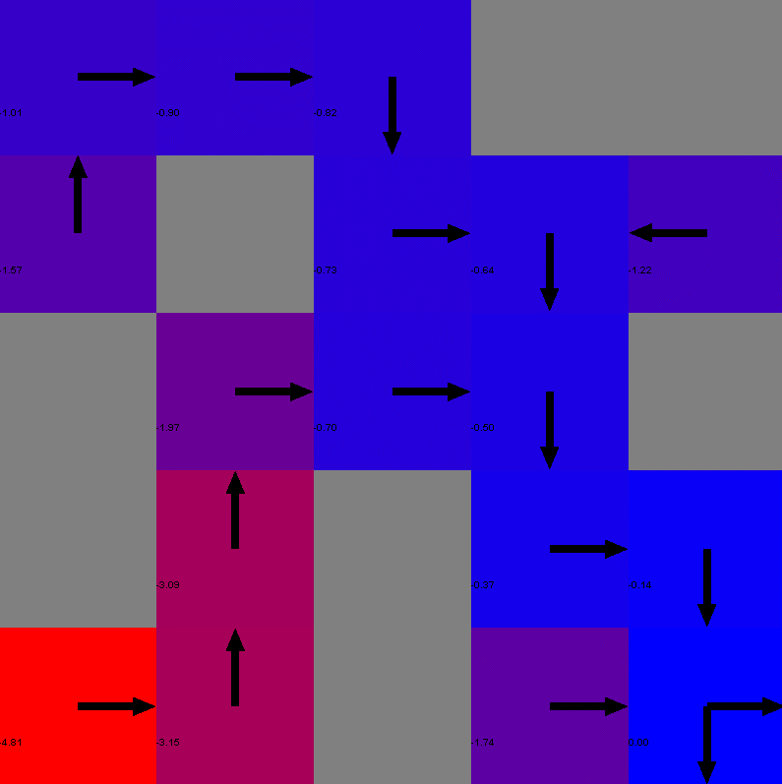
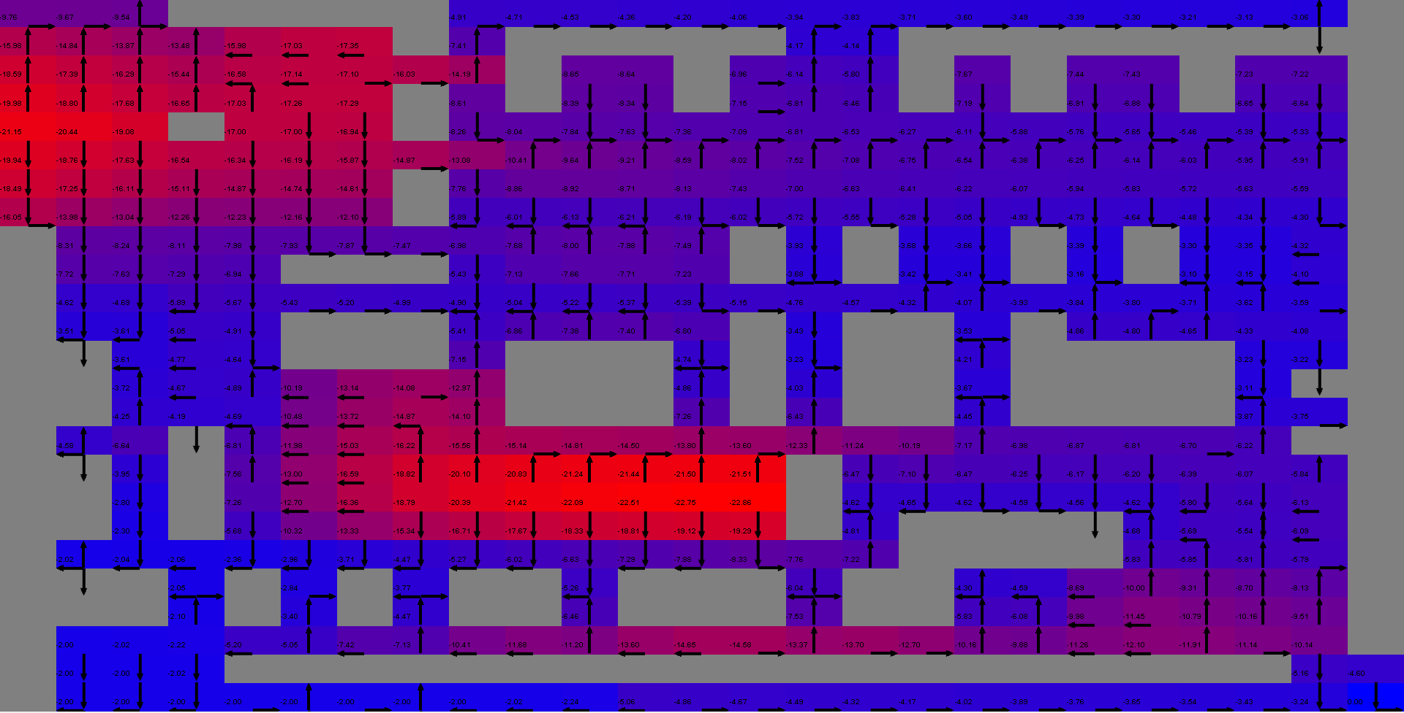
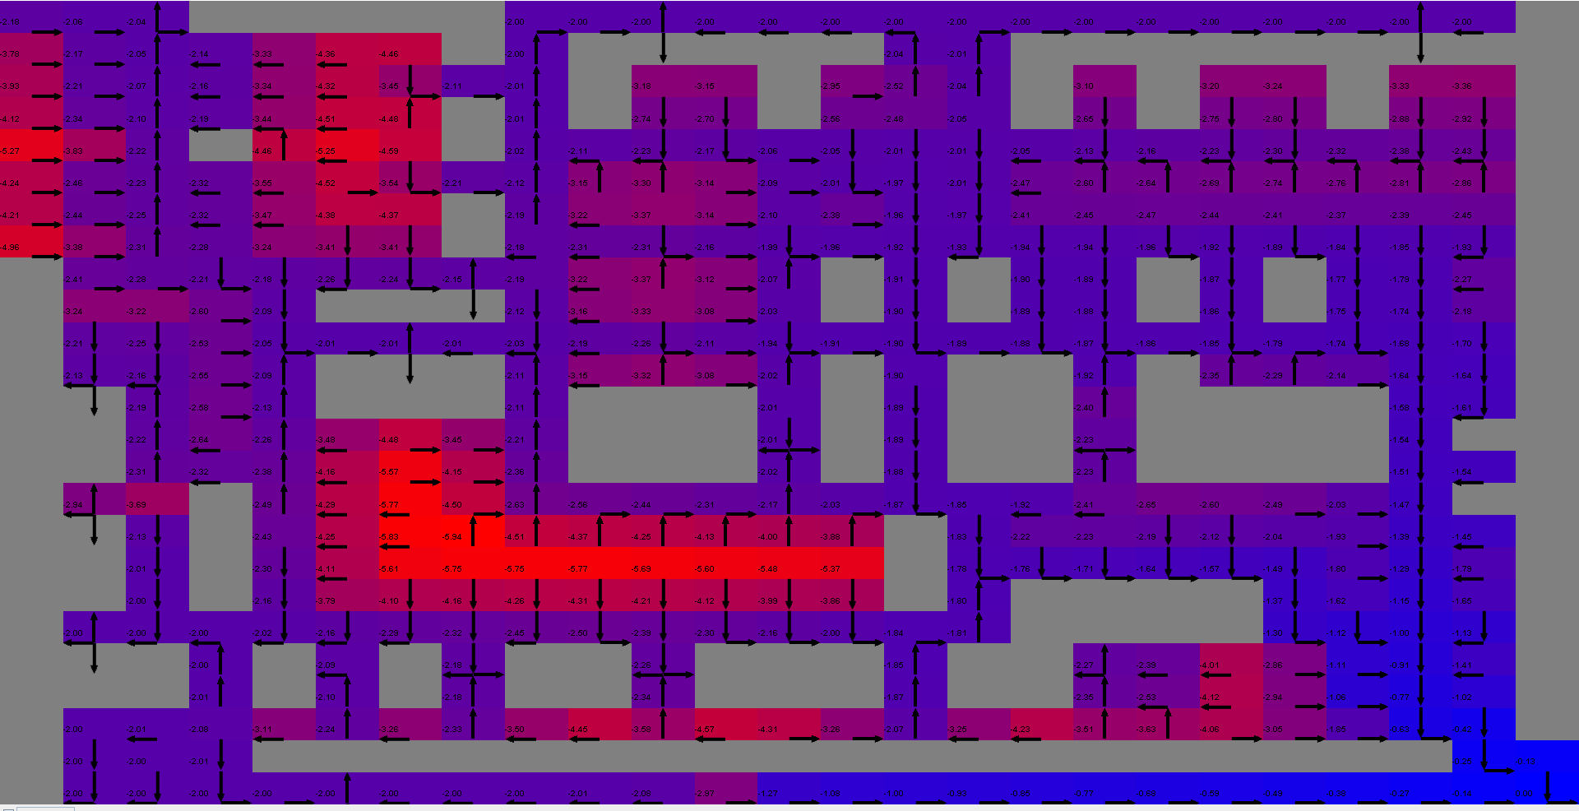
Small MDP Policy Iteration Problem |  |  |  | Large MDP Policy Iteration Problem
Iteration = 1 |  | Iteration = 100 |  | Iteration = 1 |  | Iteration = 16 |  |  | Small
 |  |  |  |  |  |  |  |  | Average Reward: -1.5220000000000007
 |  |  |  |  |  |  |  |  | Average Number of Steps: 12
 |  |  |  |  |  |  |  |  | Minimum Number of Steps: 9
 |  |  |  |  |  |  |  |  | Average Time (in milliseconds): 29

 |  |  |  |  |  |  |  |  | Large
 |  |  |  |  |  |  |  |  | Average Reward: -64.42500000000057
 |  |  |  |  |  |  |  |  | Average Number of Steps: 625
 |  |  |  |  |  |  |  |  | Minimum Number of Steps: 625
 |  |  |  |  |  |  |  |  | Average Time (in milliseconds): 8529

 | Figure 2.1 |  |  |  |  | Figure 2.2
Small Policy Iteration Time (in milliseconds)
Episode | 0
1 | 43
2 | 14
3 | 15
4 | 17
5 | 21
6 | 15
7 | 14
8 | 16
9 | 17
10 | 19
11 | 22
12 | 22
13 | 25
14 | 25
15 | 29
16 | 31
17 | 40
18 | 47
19 | 46
20 | 40
21 | 38
22 | 39
23 | 42
24 | 44
25 | 50
26 | 47
27 | 49
28 | 76
29 | 47
30 | 51
31 | 45
32 | 44
33 | 46
34 | 40
35 | 35
36 | 35
37 | 34
38 | 33
39 | 34
40 | 33
41 | 36
42 | 27
43 | 28
44 | 27
45 | 26
46 | 27
47 | 27
48 | 25
49 | 25
...
Small Policy Iteration Steps
Episode | 0
1 | 25
2 | 25
3 | 25
4 | 25
5 | 25
6 | 25
7 | 14
8 | 17
9 | 9
10 | 11
11 | 10
12 | 12
13 | 10
14 | 10
15 | 11
16 | 18
17 | 13
18 | 14
19 | 11
20 | 9
21 | 11
22 | 9
23 | 9
24 | 14
25 | 9
26 | 13
27 | 13
28 | 9
29 | 9
30 | 15
31 | 9
32 | 9
33 | 10
34 | 13
35 | 15
36 | 11
37 | 11
38 | 12
39 | 11
40 | 9
41 | 15
42 | 14
43 | 20
44 | 9
45 | 14
46 | 13
47 | 11
48 | 14
49 | 11
...
Small Policy Iteration Reward
Episode | 0
1 | -3.6
2 | -3.2
3 | -2.8
4 | -2.4
5 | -2.8
6 | -3.6
7 | -1.3
8 | -5.8
9 | -0.8
10 | -1.4
11 | -0.9
12 | -1.1
13 | -0.9
14 | -0.9
15 | -1
16 | -1.7
17 | -1.2
18 | -1.3
19 | -1
20 | -0.8
21 | -1
22 | -0.8
23 | -0.8
24 | -2.7
25 | -0.8
26 | -1.6
27 | -1.6
28 | -2.2
29 | -0.8
30 | -1.8
31 | -0.8
32 | -0.8
33 | -0.9
34 | -1.2
35 | -2.2
36 | -1
37 | -1
38 | -1.1
39 | -1
40 | -0.8
41 | -1.8
42 | -2.2
43 | -3.1
44 | -2.2
45 | -1.3
46 | -1.2
47 | -1
48 | -1.7
49 | -1
...

 | Figure 2.3 |  |  |  | Figure 2.4 |  |  | Figure 2.5

Large Policy Iteration Reward
Episode | 0
1 | -68.7
2 | -66.6
3 | -65.2
4 | -63.8
5 | -62.4
6 | -63.8
7 | -62.4
8 | -63.3
9 | -62.4
10 | -62.4
11 | -65.2
12 | -63.8
13 | -63.8
14 | -65.2
15 | -69.4
16 | -62.4
Large Policy Iteration Time (in milliseconds)
Episode | 0
1 | 3551
2 | 5528
3 | 6573
4 | 7186
5 | 7376
6 | 8075
7 | 8366
8 | 8943
9 | 9400
10 | 9906
11 | 10172
12 | 10146
13 | 10224
14 | 10312
15 | 10341
16 | 10373

 |  |  | Figure 2.6 |  |  |  | Figure 2.7

Q learning
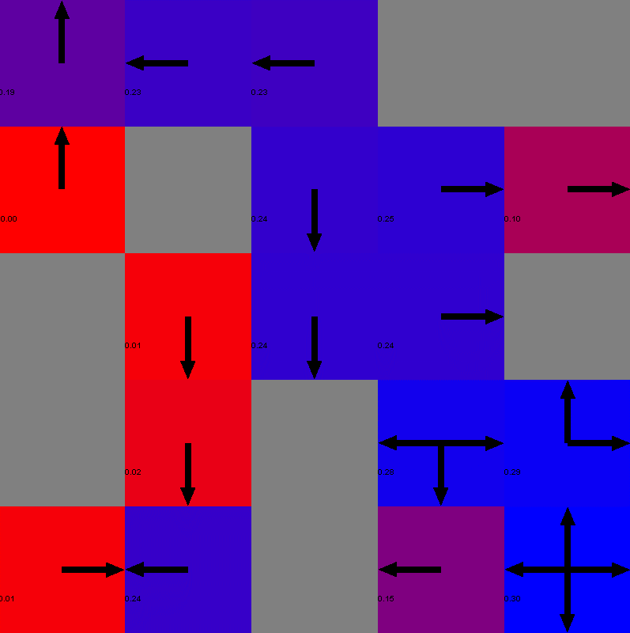
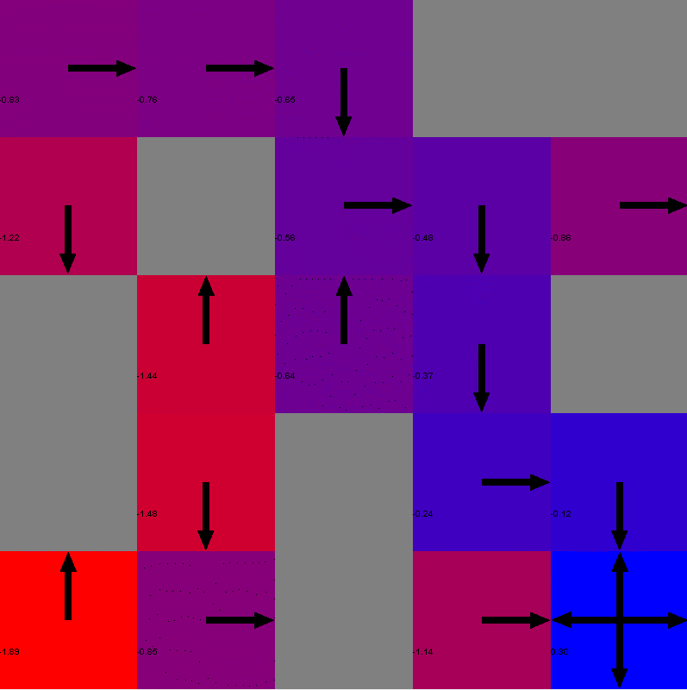
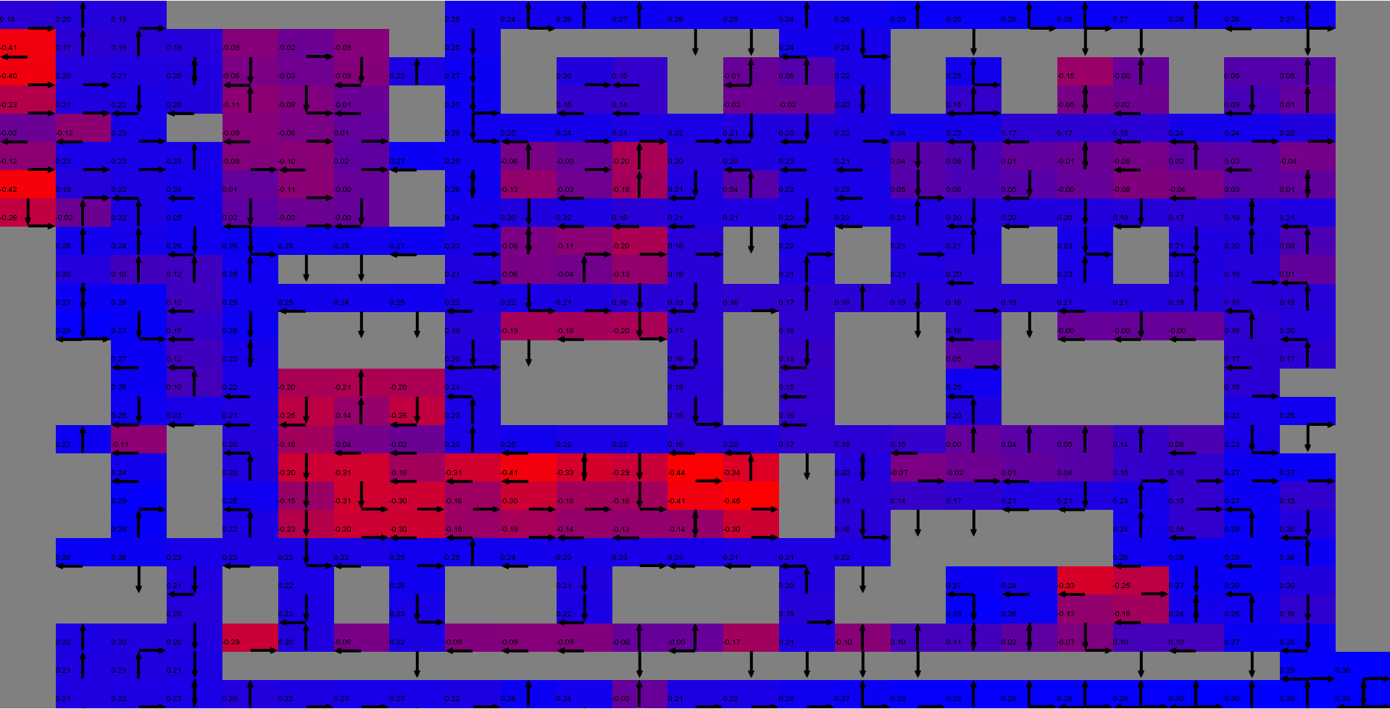
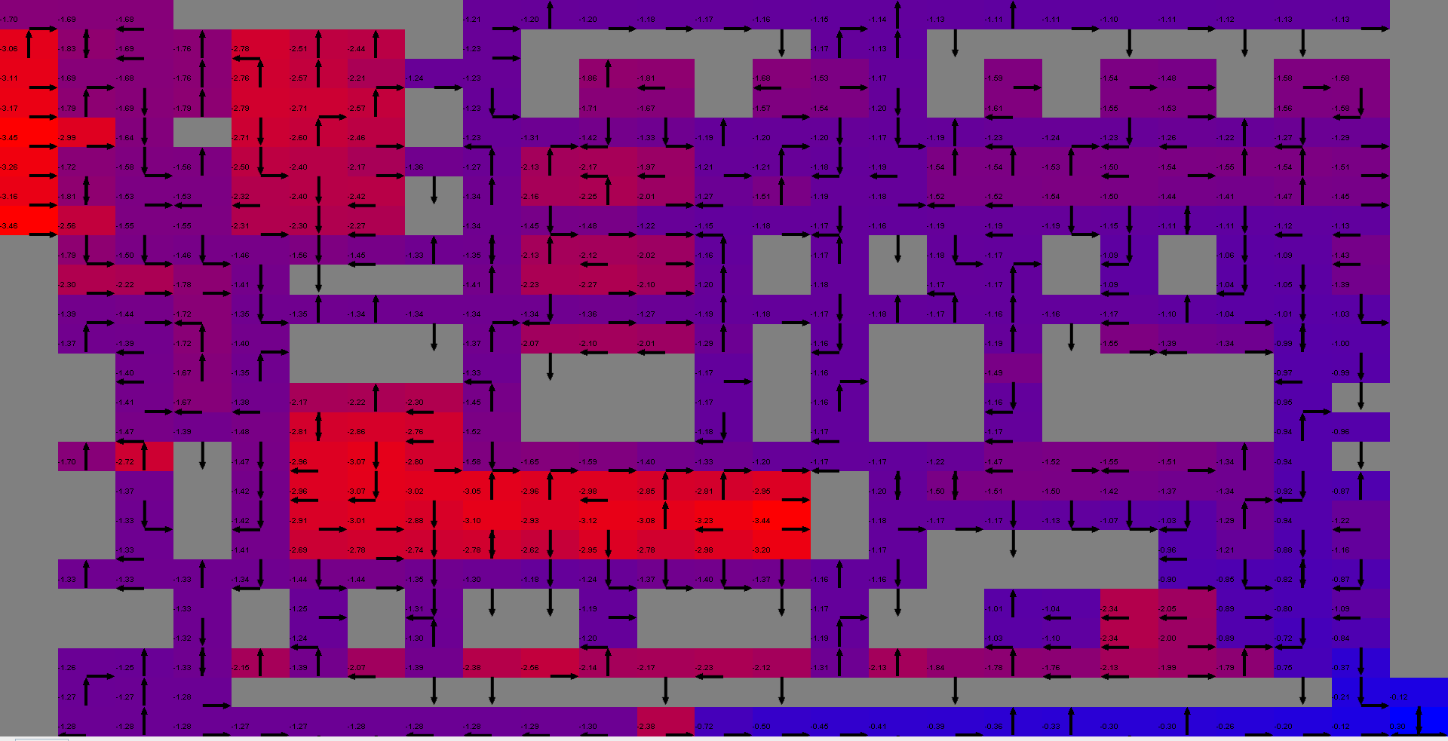
Small MDP Q-Learning Problem |  |  |  | Large MDP Q-Learning Problem
Iteration = 1 |  | Iteration = 100 |  | Iteration = 1 |  | Iteration = 100 |  |  | Small
 |  |  |  |  |  |  |  |  | Average Reward: -3.6430000000000002
 |  |  |  |  |  |  |  |  | Average Number of Steps: 22
 |  |  |  |  |  |  |  |  | Minimum Number of Steps: 9
 |  |  |  |  |  |  |  |  | Average Time (in milliseconds): 12

 |  |  |  |  |  |  |  |  | Large
 |  |  |  |  |  |  |  |  | Average Reward: -125.45699999999921
 |  |  |  |  |  |  |  |  | Average Number of Steps: 625
 |  |  |  |  |  |  |  |  | Minimum Number of Steps: 625
 |  |  |  |  |  |  |  |  | Average Time (in milliseconds): 287

 | Figure 3.1 |  |  |  |  | Figure 3.2
Small Q-Learning Time (in milliseconds)
Episode | 0
1 | 31
2 | 11
3 | 9
4 | 8
5 | 7
6 | 7
7 | 9
8 | 8
9 | 8
10 | 11
11 | 15
12 | 11
13 | 8
14 | 6
15 | 7
16 | 6
17 | 7
18 | 8
19 | 10
20 | 7
21 | 8
22 | 8
23 | 12
24 | 9
25 | 13
26 | 11
27 | 9
28 | 9
29 | 10
30 | 8
31 | 9
32 | 9
33 | 8
34 | 12
35 | 15
36 | 15
37 | 16
38 | 17
39 | 12
40 | 9
41 | 10
42 | 11
43 | 10
44 | 11
45 | 13
46 | 10
47 | 11
48 | 10
49 | 12
...
Small Q-Learning Steps
Episode | 0
1 | 25
2 | 25
3 | 25
4 | 25
5 | 25
6 | 25
7 | 25
8 | 25
9 | 25
10 | 25
11 | 25
12 | 25
13 | 25
14 | 25
15 | 25
16 | 25
17 | 25
18 | 25
19 | 25
20 | 25
21 | 25
22 | 25
23 | 25
24 | 25
25 | 25
26 | 25
27 | 25
28 | 25
29 | 25
30 | 25
31 | 25
32 | 25
33 | 25
34 | 25
35 | 25
36 | 25
37 | 25
38 | 25
39 | 25
40 | 25
41 | 25
42 | 25
43 | 25
44 | 25
45 | 25
46 | 25
47 | 25
48 | 25
49 | 24
...
Small Q-Learning Reward
Episode | 0
1 | -7.2
2 | -8.4
3 | -2.4
4 | -11.6
5 | -9.2
6 | -2.4
7 | -6.8
8 | -2.4
9 | -10.5
10 | -11.6
11 | -2.4
12 | -2.4
13 | -12.4
14 | -9.2
15 | -2.4
16 | -6.8
17 | -11.2
18 | -8
19 | -7.6
20 | -4.8
21 | -2.4
22 | -2.4
23 | -2.4
24 | -2.4
25 | -2.4
26 | -2.4
27 | -5.2
28 | -2.4
29 | -3.3
30 | -2.8
31 | -3.2
32 | -2.4
33 | -2.4
34 | -2.4
35 | -3.3
36 | -2.4
37 | -2.4
38 | -7.2
39 | -2.4
40 | -2.4
41 | -3.2
42 | -2.4
43 | -3.2
44 | -3.2
45 | -8.4
46 | -2.4
47 | -2.4
48 | -2.4
49 | -2.3
...

 | Figure 3.3 |  |  |  | Figure 3.4 |  |  | Figure 3.5

Large Q-Learning Rewards
Episode | 0
1 | -162.3
2 | -119.8
3 | -271.4
4 | -522.4
5 | -75.4
6 | -70.1
7 | -114.9
8 | -179.2
9 | -353.7
10 | -148.7
11 | -168.9
12 | -92.4
13 | -173.1
14 | -135.6
15 | -266.5
16 | -275.5
17 | -115.9
18 | -123.1
19 | -104.4
20 | -65.2
21 | -204.3
22 | -355.8
23 | -153.7
24 | -156.7
25 | -112.6
26 | -190.3
27 | -155.2
28 | -97.5
29 | -136.5
30 | -93.6
31 | -147.3
32 | -98.7
33 | -107.2
34 | -69.2
35 | -133.6
36 | -73.1
37 | -168.4
38 | -122.4
39 | -128
40 | -77.3
41 | -93.5
42 | -73
43 | -238.8
44 | -75.2
45 | -179.3
46 | -132.6
47 | -95.3
48 | -82.7
49 | -116.8
...
Large Q-Learning Time (in milliseconds)
Episode | 0
1 | 138
2 | 84
3 | 80
4 | 144
5 | 142
6 | 133
7 | 187
8 | 158
9 | 107
10 | 127
11 | 119
12 | 113
13 | 123
14 | 130
15 | 153
16 | 150
17 | 124
18 | 137
19 | 164
20 | 219
21 | 177
22 | 149
23 | 172
24 | 195
25 | 183
26 | 221
27 | 181
28 | 202
29 | 216
30 | 230
31 | 215
32 | 229
33 | 238
34 | 217
35 | 208
36 | 255
37 | 254
38 | 258
39 | 248
40 | 260
41 | 247
42 | 268
43 | 299
44 | 277
45 | 271
46 | 285
47 | 286
48 | 286
49 | 274
...

 |  |  | Figure 3.6 |  |  |  | Figure 3.7

Comp Graphs
Small MDP Problem Steps Comparision
 | Value Iteration Steps |  | Policy Iteration Steps |  | Q-Learning Steps
1 | 25 | Episode | 0 | Episode | 0
2 | 25 | 1 | 25 | 1 | 25
3 | 25 | 2 | 25 | 2 | 25
4 | 25 | 3 | 25 | 3 | 25
5 | 25 | 4 | 25 | 4 | 25
6 | 25 | 5 | 25 | 5 | 25
7 | 25 | 6 | 25 | 6 | 25
8 | 25 | 7 | 14 | 7 | 25
9 | 11 | 8 | 17 | 8 | 25
10 | 11 | 9 | 9 | 9 | 25
11 | 16 | 10 | 11 | 10 | 25
12 | 10 | 11 | 10 | 11 | 25
13 | 15 | 12 | 12 | 12 | 25
14 | 10 | 13 | 10 | 13 | 25
15 | 14 | 14 | 10 | 14 | 25
16 | 11 | 15 | 11 | 15 | 25
17 | 9 | 16 | 18 | 16 | 25
18 | 10 | 17 | 13 | 17 | 25
19 | 15 | 18 | 14 | 18 | 25
20 | 10 | 19 | 11 | 19 | 25
21 | 13 | 20 | 9 | 20 | 25
22 | 20 | 21 | 11 | 21 | 25
23 | 13 | 22 | 9 | 22 | 25
24 | 19 | 23 | 9 | 23 | 25
25 | 11 | 24 | 14 | 24 | 25
26 | 11 | 25 | 9 | 25 | 25
27 | 11 | 26 | 13 | 26 | 25
28 | 12 | 27 | 13 | 27 | 25
29 | 14 | 28 | 9 | 28 | 25
30 | 9 | 29 | 9 | 29 | 25
31 | 11 | 30 | 15 | 30 | 25
32 | 11 | 31 | 9 | 31 | 25
33 | 9 | 32 | 9 | 32 | 25
34 | 9 | 33 | 10 | 33 | 25
35 | 10 | 34 | 13 | 34 | 25
36 | 10 | 35 | 15 | 35 | 25
37 | 10 | 36 | 11 | 36 | 25
38 | 9 | 37 | 11 | 37 | 25
39 | 11 | 38 | 12 | 38 | 25
40 | 15 | 39 | 11 | 39 | 25
41 | 12 | 40 | 9 | 40 | 25
42 | 9 | 41 | 15 | 41 | 25
43 | 12 | 42 | 14 | 42 | 25
44 | 9 | 43 | 20 | 43 | 25
45 | 9 | 44 | 9 | 44 | 25
46 | 13 | 45 | 14 | 45 | 25
47 | 9 | 46 | 13 | 46 | 25
48 | 11 | 47 | 11 | 47 | 25
49 | 13 | 48 | 14 | 48 | 25
50 | 18 | 49 | 11 | 49 | 24
...
Large MDP Problem Rewards Comparision
 | Value Iteration Reward | Policy Iteration Reward | Q-Learning Reward
1 | -92.2 | -68.7 | -162.3
2 | -83.4 | -66.6 | -119.8
3 | -68 | -65.2 | -271.4
4 | -65.2 | -63.8 | -522.4
5 | -63.8 | -62.4 | -75.4
6 | -62.4 | -63.8 | -70.1
7 | -62.4 | -62.4 | -114.9
8 | -68.9 | -63.3 | -179.2
9 | -62.4 | -62.4 | -353.7
10 | -63.8 | -62.4 | -148.7
11 | -62.4 | -65.2 | -168.9
12 | -63.8 | -63.8 | -92.4
13 | -63.8 | -63.8 | -173.1
14 | -63.8 | -65.2 | -135.6
15 | -63.3 | -69.4 | -266.5
16 | -65.2 | -62.4 | -275.5
17 | -63.8 |  | -115.9
18 | -63.8 |  | -123.1
19 | -63.3 |  | -104.4
20 | -63.8 |  | -65.2
21 | -62.4 |  | -204.3
22 | -62.4 |  | -355.8
23 | -62.4 |  | -153.7
24 | -63.8 |  | -156.7
25 | -62.4 |  | -112.6
26 | -62.4 |  | -190.3
27 | -62.4 |  | -155.2
28 | -65.2 |  | -97.5
29 | -65.2 |  | -136.5
30 | -63.8 |  | -93.6
31 | -63.8 |  | -147.3
32 | -62.4 |  | -98.7
33 | -64.7 |  | -107.2
34 | -67.5 |  | -69.2
35 | -63.3 |  | -133.6
36 | -63.8 |  | -73.1
37 | -62.4 |  | -168.4
38 | -64.7 |  | -122.4
39 | -65.2 |  | -128
40 | -62.4 |  | -77.3
41 | -65.6 |  | -93.5
42 | -63.8 |  | -73
43 | -62.4 |  | -238.8
44 | -62.4 |  | -75.2
45 | -62.4 |  | -179.3
46 | -65.2 |  | -132.6
47 | -62.4 |  | -95.3
48 | -62.4 |  | -82.7
49 | -63.3 |  | -116.8
50 | -62.4 |  | -100.9
...

Small MDP Problem Rewards Comparision
 | Value Iteration Reward | Policy Iteration Reward | Q-Learning Reward
1 | -2.4 | -3.6 | -7.2
2 | -2.4 | -3.2 | -8.4
3 | -2.4 | -2.8 | -2.4
4 | -2.4 | -2.4 | -11.6
5 | -2.4 | -2.8 | -9.2
6 | -2.4 | -3.6 | -2.4
7 | -2.4 | -1.3 | -6.8
8 | -2.4 | -5.8 | -2.4
9 | -1 | -0.8 | -10.5
10 | -1 | -1.4 | -11.6
11 | -2.4 | -0.9 | -2.4
12 | -0.9 | -1.1 | -2.4
13 | -1.8 | -0.9 | -12.4
14 | -0.9 | -0.9 | -9.2
15 | -1.3 | -1 | -2.4
16 | -1 | -1.7 | -6.8
17 | -0.8 | -1.2 | -11.2
18 | -0.9 | -1.3 | -8
19 | -1.4 | -1 | -7.6
20 | -0.9 | -0.8 | -4.8
21 | -1.6 | -1 | -2.4
22 | -5.5 | -0.8 | -2.4
23 | -1.6 | -0.8 | -2.4
24 | -9.2 | -2.7 | -2.4
25 | -1 | -0.8 | -2.4
26 | -1 | -1.6 | -2.4
27 | -1.4 | -1.6 | -5.2
28 | -2.5 | -2.2 | -2.4
29 | -1.3 | -0.8 | -3.3
30 | -0.8 | -1.8 | -2.8
31 | -1 | -0.8 | -3.2
32 | -1 | -0.8 | -2.4
33 | -0.8 | -0.9 | -2.4
34 | -0.8 | -1.2 | -2.4
35 | -0.9 | -2.2 | -3.3
36 | -0.9 | -1 | -2.4
37 | -0.9 | -1 | -2.4
38 | -0.8 | -1.1 | -7.2
39 | -2.4 | -1 | -2.4
40 | -1.8 | -0.8 | -2.4
41 | -1.1 | -1.8 | -3.2
42 | -0.8 | -2.2 | -2.4
43 | -1.1 | -3.1 | -3.2
44 | -0.8 | -2.2 | -3.2
45 | -0.8 | -1.3 | -8.4
46 | -4 | -1.2 | -2.4
47 | -0.8 | -1 | -2.4
48 | -1 | -1.7 | -2.4
49 | -1.6 | -1 | -2.3
50 | -2.1 | -1.6 | -0.8
...
Large MDP Problems Time Comparision
 | Value Iteration Time (in milliseconds) | Policy Iteration Time (in milliseconds) | Q-Learning Time (in milliseconds)
1 | 1204 | 3551 | 138
2 | 836 | 5528 | 84
3 | 980 | 6573 | 80
4 | 1100 | 7186 | 144
5 | 1275 | 7376 | 142
6 | 1182 | 8075 | 133
7 | 1187 | 8366 | 187
8 | 1061 | 8943 | 158
9 | 924 | 9400 | 107
10 | 712 | 9906 | 127
11 | 955 | 10172 | 119
12 | 813 | 10146 | 113
13 | 877 | 10224 | 123
14 | 926 | 10312 | 130
15 | 966 | 10341 | 153
16 | 839 | 10373 | 150
17 | 996 |  | 124
18 | 1094 |  | 137
19 | 1233 |  | 164
20 | 1437 |  | 219
21 | 1279 |  | 177
22 | 1502 |  | 149
23 | 1683 |  | 172
24 | 1662 |  | 195
25 | 1564 |  | 183
26 | 1629 |  | 221
27 | 1667 |  | 181
28 | 1725 |  | 202
29 | 1806 |  | 216
30 | 1852 |  | 230
31 | 1931 |  | 215
32 | 1987 |  | 229
33 | 2057 |  | 238
34 | 2506 |  | 217
35 | 2577 |  | 208
36 | 2204 |  | 255
37 | 2317 |  | 254
38 | 2321 |  | 258
39 | 2394 |  | 248
40 | 2523 |  | 260
41 | 2536 |  | 247
42 | 2490 |  | 268
43 | 2603 |  | 299
44 | 2654 |  | 277
45 | 2659 |  | 271
46 | 2897 |  | 285
47 | 2869 |  | 286
48 | 2887 |  | 286
49 | 3185 |  | 274
50 | 3267 |  | 288
...

Small MDP Time Comparision
 | Value Iteration Time (in milliseconds) | Policy Iteration Time (in milliseconds) | Q-Learning Time (in milliseconds)
1 | 228 | 43 | 31
2 | 82 | 14 | 11
3 | 68 | 15 | 9
4 | 84 | 17 | 8
5 | 81 | 21 | 7
6 | 111 | 15 | 7
7 | 104 | 14 | 9
8 | 107 | 16 | 8
9 | 101 | 17 | 8
10 | 78 | 19 | 11
11 | 118 | 22 | 15
12 | 98 | 22 | 11
13 | 101 | 25 | 8
14 | 110 | 25 | 6
15 | 112 | 29 | 7
16 | 138 | 31 | 6
17 | 125 | 40 | 7
18 | 134 | 47 | 8
19 | 139 | 46 | 10
20 | 151 | 40 | 7
21 | 180 | 38 | 8
22 | 193 | 39 | 8
23 | 208 | 42 | 12
24 | 243 | 44 | 9
25 | 239 | 50 | 13
26 | 227 | 47 | 11
27 | 201 | 49 | 9
28 | 120 | 76 | 9
29 | 173 | 47 | 10
30 | 170 | 51 | 8
31 | 191 | 45 | 9
32 | 105 | 44 | 9
33 | 125 | 46 | 8
34 | 144 | 40 | 12
35 | 147 | 35 | 15
36 | 107 | 35 | 15
37 | 152 | 34 | 16
38 | 82 | 33 | 17
39 | 65 | 34 | 12
40 | 66 | 33 | 9
41 | 91 | 36 | 10
42 | 78 | 27 | 11
43 | 69 | 28 | 10
44 | 68 | 27 | 11
45 | 75 | 26 | 13
46 | 78 | 27 | 10
47 | 58 | 27 | 11
48 | 54 | 25 | 10
49 | 44 | 25 | 12
50 | 42 | 26 | 12
...

